C1. Main chart - Davies
0.44397463002 | 0.250927 | 0.14 | 0.084 | 0.028
0.45364891519 | 0.2337068 | 0.129 | 0.074333333333 | 0.026333333333
0.42279411765 |  | 0.118 | 0.064666666667 | 0.024666666667
0.45068027211 |  | 0.107 | 0.055 | 0.023
0.45741324921 |  | 0.109 | 0.05 | 0.021
0.45255474453 | 0.2124703 | 0.116 | 0.059 | 0.019
0.4502688172 | 0.2303633 | 0.135 | 0.072 | 0.023
0.42566709022 | 0.2728052 | 0.17 | 0.091 | 0.029
0.40853658537 | 0.2846584 | 0.19 | 0.103 | 0.034
0.39458186101 | 0.2338027 | 0.152 | 0.074 | 0.026
0.38329519451 | 0.22400623539 | 0.114 | 0.069 | 0.024
0.37556053812 | 0.21659347553 | 0.116 | 0.069 | 0.023
0.36652078775 | 0.20184615385 | 0.111 | 0.063 | 0.023
0.35487288136 | 0.18317610063 | 0.094 | 0.054 | 0.017
0.34183673469 | 0.17891014306 | 0.089 | 0.048 | 0.022
0.36151960784 | 0.18258115598 | 0.096 | 0.049 | 0.019
0.39367269267 | 0.2162841347 | 0.123 | 0.067 | 0.029
0.39424860853 | 0.23631713555 | 0.115 | 0.068 | 0.032
0.38461538462 | 0.21765107545 | 0.13 | 0.073 | 0.032
0.37477954145 | 0.20985822618 | 0.126 | 0.067 | 0.029
0.36480686695 | 0.20208333333 | 0.1 | 0.052 | 0.025
0.36337209302 | 0.19637994554 | 0.109 | 0.055 | 0.022
0.39035438316 | 0.18430942687 | 0.104 | 0.051 | 0.02
0.3955453149 | 0.17007633588 | 0.085 | 0.048 | 0.018
0.38176426983 | 0.1599695586 | 0.077 | 0.04 | 0.019
0.36733238231 | 0.15089020772 | 0.063 | 0.034 | 0.017
0.35395189003 | 0.16591115141 | 0.081 | 0.042 | 0.02
0.34402137609 | 0.18337879031 | 0.084 | 0.053 | 0.029
0.3350683149 | 0.19075907591 | 0.088 | 0.055 | 0.031
0.32802547771 | 0.18798384382 | 0.085 | 0.05 | 0.027
0.31928084315 | 0.18468391297 | 0.076 | 0.047 | 0.023
0.30746268657 | 0.16689419795 | 0.055 | 0.041 | 0.022
0.3122011857 | 0.1738895882 | 0.062 | 0.039 | 0.022
0.33950617284 | 0.2171194059 | 0.082 | 0.062 | 0.034
0.3672392199 | 0.27471116816 | 0.137 | 0.104 | 0.057
0.37997903564 | 0.29329672844 | 0.132 | 0.115 | 0.06
0.37255909558 | 0.28139980825 | 0.13425 | 0.1015 | 0.0505
0.36708860759 | 0.27691936263 | 0.1365 | 0.088 | 0.041

C1. Multiple plots
0.44397463002 | 0.250927
0.45364891519 | 0.2337068
0.42279411765
0.45068027211
0.45741324921
0.45255474453 | 0.2124703
0.4502688172 | 0.2303633
0.42566709022 | 0.2728052
0.40853658537 | 0.2846584
0.39458186101 | 0.2338027
0.38329519451 | 0.22400623539
0.37556053812 | 0.21659347553
0.36652078775 | 0.20184615385
0.35487288136 | 0.18317610063
0.34183673469 | 0.17891014306
0.36151960784 | 0.18258115598
0.39367269267 | 0.2162841347
0.39424860853 | 0.23631713555
0.38461538462 | 0.21765107545
0.37477954145 | 0.20985822618
0.36480686695 | 0.20208333333
0.36337209302 | 0.19637994554
0.39035438316 | 0.18430942687
0.3955453149 | 0.17007633588
0.38176426983 | 0.1599695586
0.36733238231 | 0.15089020772
0.35395189003 | 0.16591115141
0.34402137609 | 0.18337879031
0.3350683149 | 0.19075907591
0.32802547771 | 0.18798384382
0.31928084315 | 0.18468391297
0.30746268657 | 0.16689419795
0.3122011857 | 0.1738895882
0.33950617284 | 0.2171194059
0.3672392199 | 0.27471116816
0.37997903564 | 0.29329672844
0.37255909558 | 0.28139980825
0.36708860759 | 0.27691936263

Sheet1
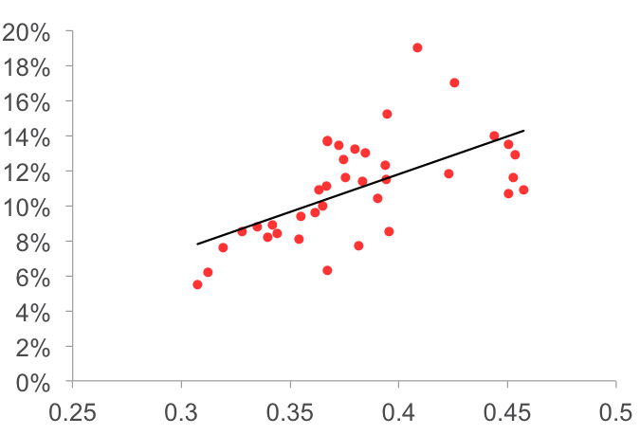
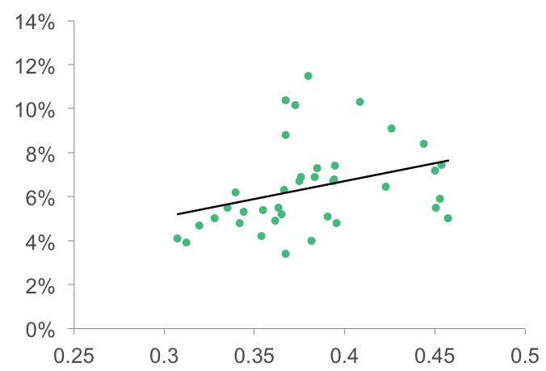
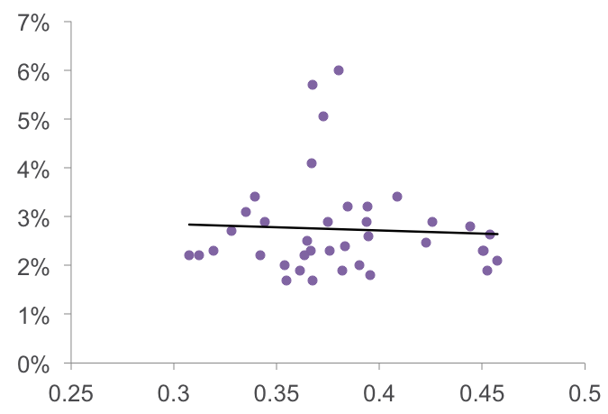
0.44397463002 | 0.250927
0.45364891519 | 0.2337068
0.42279411765
0.45068027211
0.45741324921
0.45255474453 | 0.2124703
0.4502688172 | 0.2303633
0.42566709022 | 0.2728052
0.40853658537 | 0.2846584
0.39458186101 | 0.2338027
0.38329519451 | 0.22400623539
0.37556053812 | 0.21659347553
0.36652078775 | 0.20184615385
0.35487288136 | 0.18317610063
0.34183673469 | 0.17891014306
0.36151960784 | 0.18258115598
0.39367269267 | 0.2162841347
0.39424860853 | 0.23631713555
0.38461538462 | 0.21765107545
0.37477954145 | 0.20985822618
0.36480686695 | 0.20208333333
0.36337209302 | 0.19637994554
0.39035438316 | 0.18430942687
0.3955453149 | 0.17007633588
0.38176426983 | 0.1599695586
0.36733238231 | 0.15089020772
0.35395189003 | 0.16591115141
0.34402137609 | 0.18337879031
0.3350683149 | 0.19075907591
0.32802547771 | 0.18798384382
0.31928084315 | 0.18468391297
0.30746268657 | 0.16689419795
0.3122011857 | 0.1738895882
0.33950617284 | 0.2171194059
0.3672392199 | 0.27471116816
0.37997903564 | 0.29329672844
0.37255909558 | 0.28139980825
0.36708860759 | 0.27691936263

 |  | Education

year | relative min wage | No HS and Under 25 | No HS | HS only | College Degree
1975 | 0.44397463002 | 0.250927 | 0.14 | 0.084 | 0.028
1976 | 0.45364891519 | 0.2337068 | 0.129 | 0.074333333333 | 0.026333333333
1977 | 0.42279411765 |  | 0.118 | 0.064666666667 | 0.024666666667
1978 | 0.45068027211 |  | 0.107 | 0.055 | 0.023
1979 | 0.45741324921 |  | 0.109 | 0.05 | 0.021
1980 | 0.45255474453 | 0.2124703 | 0.116 | 0.059 | 0.019
1981 | 0.4502688172 | 0.2303633 | 0.135 | 0.072 | 0.023
1982 | 0.42566709022 | 0.2728052 | 0.17 | 0.091 | 0.029
1983 | 0.40853658537 | 0.2846584 | 0.19 | 0.103 | 0.034
1984 | 0.39458186101 | 0.2338027 | 0.152 | 0.074 | 0.026
1985 | 0.38329519451 | 0.22400623539 | 0.114 | 0.069 | 0.024
1986 | 0.37556053812 | 0.21659347553 | 0.116 | 0.069 | 0.023
1987 | 0.36652078775 | 0.20184615385 | 0.111 | 0.063 | 0.023
1988 | 0.35487288136 | 0.18317610063 | 0.094 | 0.054 | 0.017
1989 | 0.34183673469 | 0.17891014306 | 0.089 | 0.048 | 0.022
1990 | 0.36151960784 | 0.18258115598 | 0.096 | 0.049 | 0.019
1991 | 0.39367269267 | 0.2162841347 | 0.123 | 0.067 | 0.029
1992 | 0.39424860853 | 0.23631713555 | 0.115 | 0.068 | 0.032
1993 | 0.38461538462 | 0.21765107545 | 0.13 | 0.073 | 0.032
1994 | 0.37477954145 | 0.20985822618 | 0.126 | 0.067 | 0.029
1995 | 0.36480686695 | 0.20208333333 | 0.1 | 0.052 | 0.025
1996 | 0.36337209302 | 0.19637994554 | 0.109 | 0.055 | 0.022
1997 | 0.39035438316 | 0.18430942687 | 0.104 | 0.051 | 0.02
1998 | 0.3955453149 | 0.17007633588 | 0.085 | 0.048 | 0.018
1999 | 0.38176426983 | 0.1599695586 | 0.077 | 0.04 | 0.019
2000 | 0.36733238231 | 0.15089020772 | 0.063 | 0.034 | 0.017
2001 | 0.35395189003 | 0.16591115141 | 0.081 | 0.042 | 0.02
2002 | 0.34402137609 | 0.18337879031 | 0.084 | 0.053 | 0.029
2003 | 0.3350683149 | 0.19075907591 | 0.088 | 0.055 | 0.031
2004 | 0.32802547771 | 0.18798384382 | 0.085 | 0.05 | 0.027
2005 | 0.31928084315 | 0.18468391297 | 0.076 | 0.047 | 0.023
2006 | 0.30746268657 | 0.16689419795 | 0.055 | 0.041 | 0.022
2007 | 0.3122011857 | 0.1738895882 | 0.062 | 0.039 | 0.022
2008 | 0.33950617284 | 0.2171194059 | 0.082 | 0.062 | 0.034
2009 | 0.3672392199 | 0.27471116816 | 0.137 | 0.104 | 0.057
2010 | 0.37997903564 | 0.29329672844 | 0.132 | 0.115 | 0.06
2011 | 0.37255909558 | 0.28139980825 | 0.13425 | 0.1015 | 0.0505
2012 | 0.36708860759 | 0.27691936263 | 0.1365 | 0.088 | 0.041

