Total Spending Cuts BCA
Automatic Spending Cuts Under BCA Sequester Annual and Cumulative, FY 2013-2021
 | Medicare | Other Mandatory | Defense Discretionary | Non-Defense Discretionary | Interest
2013 | -12 | -5 | -33 | -21 | -1
2014 | -12 | -5 | -46 | -32 | -2
2015 | -13 | -6 | -51 | -35 | -5
2016 | -14 | -6 | -53 | -35 | -10
2017 | -14 | -5 | -54 | -36 | -17
2018 | -15 | -5 | -54 | -35 | -23
2019 | -16 | -5 | -54 | -34 | -30
2020 | -17 | -5 | -54 | -34 | -37
2021 | -18 | -5 | -54 | -33 | -44

Data
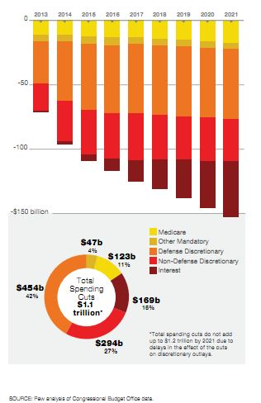
Source: | Pew Research, Congressional Budget Office
 | Links: | http://www.pewtrusts.org/uploadedFiles/wwwpewtrustsorg/Reports/Fiscal_Analysis/Essential_Federal_Fiscal_Charts.pdf
 |  | http://www.cbo.gov/ftpdocs/124xx/doc12414/09-12-BudgetControlAct.pdf

 |  | Total | 2013 | 2014 | 2015 | 2016 | 2017 | 2018 | 2019 | 2020 | 2021
 | Medicare | 123 | -12 | -12 | -13 | -14 | -14 | -15 | -16 | -17 | -18
 | Other Mandatory | 47 | -5 | -5 | -6 | -6 | -5 | -5 | -5 | -5 | -5
 | Defense Discretionary | 454 | -33 | -46 | -51 | -53 | -54 | -54 | -54 | -54 | -54
 | Non-Defense Discretionary | 294 | -21 | -32 | -35 | -35 | -36 | -35 | -34 | -34 | -33
 | Interest | 169 | -1 | -2 | -5 | -10 | -17 | -23 | -30 | -37 | -44
 |  |  |  |  |  |  |  |  |  |  | -154
 |  |  |  |  |  |  |  |  |  |  |  | MANDATORY Spending Cuts
 |  |  |  |  |  |  |  |  |  |  |  | Medicare | 123 | 12 | 12 | 13 | 14 | 14 | 15 | 16 | 17 | 18
 |  |  |  |  |  |  |  |  |  |  |  | Other Mandatory | 47 | 5 | 5 | 6 | 6 | 5 | 5 | 5 | 5 | 5
 |  |  |  |  |  |  |  |  |  |  |  | Total Mandatory |  | 17 | 17 | 19 | 20 | 19 | 20 | 21 | 22 | 23

